TEDB Edition 40
Major oil price shocks have disrupted world energy markets five times in the past 30 years (1973-74, 1979-80, 1990-91, 1999-2000, 2008). Most of the oil price shocks were followed by an economic recession in the United States.

Figure 11.6. Oil Price and Economic Growth, 1970–2020
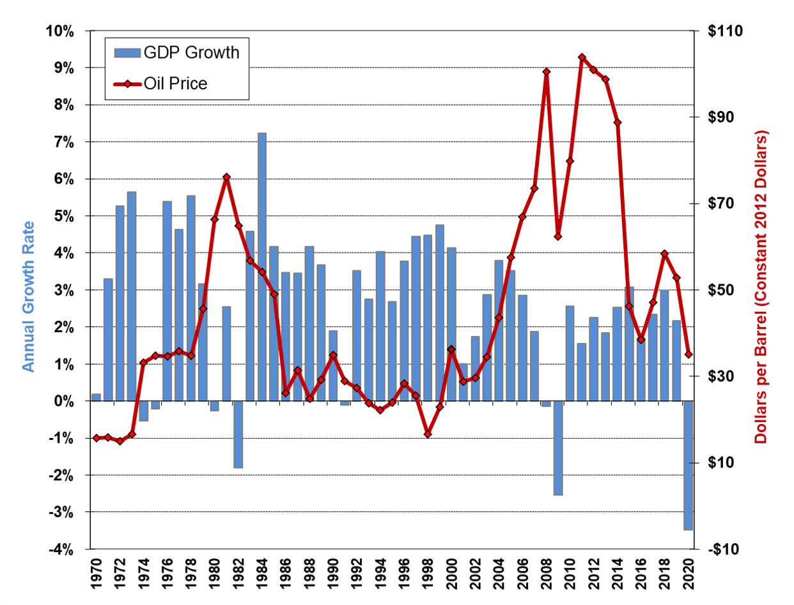

 | Gross Domestic | Oil Price
 | Product | (2012 constant
Year | Growth Rate | dollars per barrel)
1970 | 0.19% | $15.68
1971 | 3.29% | $15.81
1972 | 5.26% | $15.07
1973 | 5.65% | $16.56
1974 | -0.54% | $33.20
1975 | -0.21% | $34.78
1976 | 5.39% | $34.58
1977 | 4.62% | $35.76
1978 | 5.53% | $34.80
1979 | 3.17% | $45.70
1980 | -0.26% | $66.40
1981 | 2.54% | $76.16
1982 | -1.80% | $64.87
1983 | 4.58% | $56.78
1984 | 7.24% | $54.12
1985 | 4.17% | $49.02
1986 | 3.46% | $26.14
1987 | 3.46% | $31.38
1988 | 4.18% | $24.84
1989 | 3.67% | $29.28
1990 | 1.89% | $34.90
1991 | -0.11% | $28.96
1992 | 3.52% | $27.37
1993 | 2.75% | $23.81
1994 | 4.03% | $22.15
1995 | 2.68% | $23.97
1996 | 3.77% | $28.30
1997 | 4.45% | $25.58
1998 | 4.48% | $16.63
1999 | 4.75% | $22.93
2000 | 4.13% | $36.19
2001 | 1.00% | $28.76
2002 | 1.74% | $29.73
2003 | 2.86% | $34.56
2004 | 3.80% | $43.62
2005 | 3.51% | $57.47
2006 | 2.86% | $66.88
2007 | 1.88% | $73.46
2008 | -0.14% | $100.48
2009 | -2.54% | $62.41
2010 | 2.56% | $79.79
2011 | 1.55% | $103.82
2012 | 2.25% | $100.93
2013 | 1.84% | $98.76
2014 | 2.53% | $88.79
2015 | 2.91% | $46.21
2016 | 1.64% | $38.43
2017 | 2.37% | $47.02
2018 | 2.93% | $58.30
2019
2020 | 2.33% | $52.81

Source:
Greene, D.L. and N. I. Tishchishyna, Costs of Oil Dependence: A 2000 Update, Oak Ridge National Laboratory, ORNL/TM-2000/152, Oak Ridge, TN, 2000, and data updates, 2021.

